Design Calc
Voltage Divider String
Calc Rs from V1, V2, Vref and Rtot |  |  |  | Enter values
 |  |  |  | Calc results
Schematic
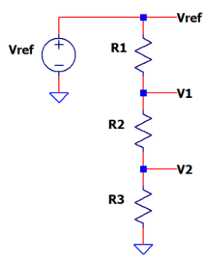

Cicuit Design
Inputs | Vref | 5.0
 | V1 | 4.500
 | V2 | 0.500
 | Rtot | 100,000

Calc V across Res | VR1 | 0.500 | Vref - V1
 | VR2 | 4.000 | V1 - V2
 | VR3 | 0.500 | V2

Calc Resistors | R1 | 10,000 | Rtot * VR1 / Vref
 | R2 | 80,000 | Rtot * VR2 / Vref
 | R3 | 10,000 | Rtot * VR3 / Vref

Verify Design
Divider Gain | K1 | 0.900 | (R2+R3)/(R1+R2+R3)
 | K2 | 0.100 | (R3)/(R1+R2+R3)

Output | v1 | 4.500 | Vref*(R2+R3)/(R1+R2+R3)
 | v2 | 0.500 | Vref*(R3)/(R1+R2+R3)

