Toolkit Overview
Overview

Welcome to the Analog Design Toolkit!
Why this Toolkit?
Over the years, many analog designs required a set of essential calculations. To save time, this collection grew steadily from key formulas that I could use as-is or modify as needed.
Overview
- 25 key analog circuits / concepts
- Excel calculations ready for your project
- Handy reference of circuit theory / equations
Hands-On Design
- Copy a template into your own design sheet
- Apply, modify or expand as needed
Interactive Learning
- Change values, Predict outcome, Observe results
- Play, experiment, develop intuition
Bonus - Key formulas created in MS Equation Editor
- Copy easily into your documentation
- Provides clearer visual understanding
Expand and build your own tool kit!
What do you find helpful? Other comments? Let me know!
www.ecircuitcenter.com/contact.htm

R Parallel
Parallel Resistors
www.ecircuitcenter.com |  |  | Enter values
 |  |  | Calc results

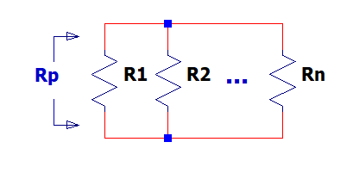

$$Rp= \frac{1}{\frac{1}{R1}+\frac{1}{R2}}$$
Find 2 Parallel R
R1 | 10000
R2 | 20000
Rp | 6666.67 | 1/(1/R1+1/R2)

Enter Rp, Find R2
R1 | 10000
Rp | 6666.67
R2 | 20000.03 | 1/(1/Rp -1/R1)

Find 3 Parallel R
R1 | 10000
R2 | 10000
R3 | 10000
Rp | 3333.33 | 1/(1/R1+1/R2+1/R3)

Enter R1, R2 and desired Rp. Find R3
R1 | 10000
R2 | 10000
Rp | 3333.33
R2 | 9999.97 | 1/(1/Rp-1/R1-1/R2)

R Divider
Resistor Divider
www.ecircuitcenter.com |  |  | Enter values
 |  |  | Calc results

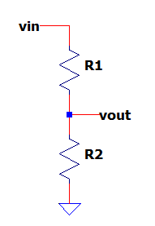

$$Kdiv= \frac{Vout}{Vin}=\frac{R2}{R1+R2}$$

Find Resistor Divider Gain
R1 | 10000
R2 | 30000
Kdiv | 0.75 | R2/(R1+R2)

Find R1
R2 | 30000
Kdiv | 0.75
R1 | 10000 | R2*(1-Kdiv)/Kdiv

Find R2
R1 | 10000
Kdiv | 0.75
R2 | 30000 | R1*Kdiv/(1-Kdiv)

Find R1
Vin | 10.0
Vout | 2.0
R2 | 10000
Kdiv | 0.200 | Vout/Vin
R1 | 40000 | R2*(1-Kdiv)/Kdiv

Ratio,%,ppm,bits,dB
Ratio, %, ppm, Nbits
www.ecircuitcenter.com |  |  | enter values
 |  |  | calc results

Find %, ppm
ratio | 0.00001
% | 0.001 | Ratio*100
ppm | 10.0 | Ratio*1e6

Find Ratio, %
ppm | 5.0
ratio | 0.000005 | ppm/1e6
% | 0.0005 | Ratio*100

$$ratio= \frac{1}{2^{N}}$$
ADD Bits and dB
Find ratio, dB, %, ppm
N (bits) | 10 | N bits ADC or DAC
ratio | 0.000977 | 1/2^N
dB | -60.2 | 20*log10(ratio)
% | 0.09766 | ratio*100
ppm | 977 | ratio*1e6

$$N=−\frac{ln⁡(2)}{ln⁡(ratio)}$$
Find dB, %, ppm, Nbits
ratio | 0.001 | enter value < 1
dB | -60.0 | 20*log10(ratio)
% | 0.100 | ratio*100
ppm | 1000 | ratio*1e6
N (bits) | 10 | ln(2) / ln(ratio)

$$N=−\frac{ln⁡(2)}{ln⁡(ratio)}$$
Find %, ppm, Nbits
dB | -60.0
ratio | 0.001 | 10^(dB/20)
% | 0.100 | ratio*100
ppm | 1000 | ratio*1e6
N (bits) | 10 | ln(2) / ln(ratio)

LP Filter
RC Low Pass Filter
www.ecircuitcenter.com |  |  | enter values
 |  |  | calc results

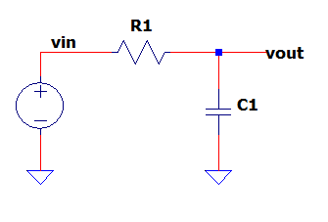

$$fc= \frac{1}{2∙π∙R∙C}$$

Find Cuttoff Frequency (fc)
R | 10,000
C | 1.50E-09
fc (-3dB) | 10,610 | 1 / (2 pi R C)

Find C
R | 10,000
fc (-3dB) | 10,610
C | 1.50E-09 | 1 / (2 pi R fc)

Find Cuttoff Frequency (fc), Risetime (tr) and Settling Time (ts)
R | 10,000
C | 1.50E-09
$$fc= \frac{1}{2∙π∙R∙C}$$
Cutofff frequency
Tau | 1.5E-05 | Tau = R*C
fc (-3dB) | 10,610 | 1 / (2 pi R C)

$$Vout= Vin∙\left[1−e^{−\frac{t}{Tau}}\right]$$
Rise times
tr (63%) | 1.5E-05 | Tau
tr (10-90%) | 3.3E-05 | 2.2*Tau

$$\frac{Vout−Vout_final}{Vout_final}= e^{−\frac{t}{Tau}}$$
Settling time to within 1%, 0.1% of final value
ts (1%) | 6.9E-05 | -ln(1/100) / ln( e ) * Tau
ts (0.1%) | 1.0E-04 | -ln(0.1/100) / ln( e ) * Tau

$$ts=−\frac{\ln{\frac{Verr}{Vout_final}}}{\ln{e}} ∙Tau$$
$$ts 1\%=−\frac{\ln{(0.01)}}{\ln{e}} ∙Tau$$
Settling time to within x% of final value
x% | 0.00100
ts (x%) | 1.7E-04 | -ln(x/100) / ln( e ) * Tau

Enter settling time ts to within x% of final value
ts | 1.7E-04 | settling time
x% | 0.0010 | % within final value

Find Tau and fc
Tau | 1.48E-05 | -ln(e) / ln( x/100 ) * ts
fc (-3dB) | 10,778 | 1 / (2 pi Tau)

LP Filter (f)
RC Low-Pass Filter vs Frequency
www.ecircuitcenter.com

$$fc= \frac{1}{2∙π∙f∙C}$$

Find Cutoff Frequency (fc) |  |  | enter values
R | 100,000 |  | calc results
C | 1.59E-09
fc (-3dB) | 1,001 | 1 / (2 pi R C)

$$|H\left(f\right)|= \frac{1}{\sqrt{1+{\left(\frac{f}{fc}\right)}^{2}}}$$
Find Attenuation at frequency f
f | 1,000,000
|H(f)| | 1.00E-03 | 1 / SQRT( 1 + (f/fc)^2 )
|H(f)| (dB) | -60.0 | 20*log10( |H(w)| )
Phase (deg) | -90 | -atan( f / fc )*180/pi
$$∅\left(f\right)=\tan^{−1}\left(\frac{f}{fc}\right)∙\frac{180}{π}$$

$$fc= \frac{f}{\sqrt{\frac{1}{{|H\left(f\right)|}^{2}}−1}}$$
Find fc needed (EXACT) to get desired Attenuation at f
f | 10,000
|H(f)| | 9.50E-01
|H(f)| (dB) | -0.4 | 20*log10( |H(w)| )
fc | 30,424 | f * 1 / SQRT(1/H^2 - 1)

Find fc needed (APPROXimate) to get desired Attenuation at f (for f >> fc)
f | 10,000
|H(f)| | 1.00E-02
|H(f)| (dB) | -40.0 | 20*log10( |H(w)| )
fc | 100 | |H| * f

Find R
C | 1.50E-09
fc (-3dB) | 10,610
R | 10,000 | 1 / (2 pi C fc)

Amp Non-Inv
Amplifier - Non-Inverting
www.ecircuitcenter.com |  |  | Enter values
 |  |  | Calc results

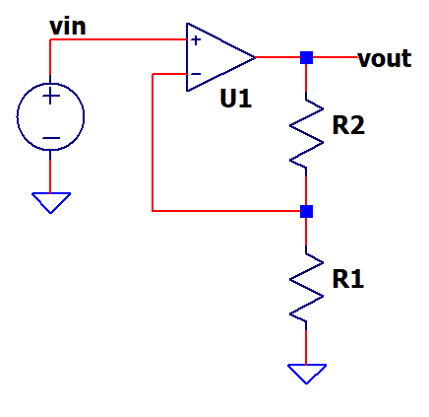

$$K=\frac{Vout}{Vin}=\frac{R2+R1}{R1}$$

$$R2=R1∙(K−1)$$

Find Output Vout
Vin | 2.000
R1 | 10000
R2 | 20000

K | 3.00 | (R1+R2)/R1
Vout | 6.00 | Vin*K

Find K and R2
Vin | 1.000
Vout | 10.00
R1 | 1000

K | 10.00 | Vout/Vin
R2 | 9000 | R1*(K-1)

Find Bandwidth, Risetime, Settling Time
R1 | 10,000
R2 | 30,000

Enter Unity-Gain Bandwidth (fu) or Gain Bandwidth Product (GBP)
fu (GBP) | 800,000 | device spec datasheet

Noise gain
Kn | 4.00 | R2/R1+1 | (same as non-inverting gain)

Calc amplifier bw
fbw | 200,000 | GBP / Kn
Tau | 7.96E-07 | 1 / (2 pi fbw)

Rise time
tr (63%) | 8.0E-07 | Tau
tr (10-90%) | 1.8E-06 | 2.2*Tau

Settling time to within 1%, 0.1% (ratio) of final value
ts (1%) | 3.7E-06 | -ln(0.01) / ln( e ) * Tau
ts (0.1%) | 5.5E-06 | -ln(0.001) / ln( e ) * Tau

Enter ratio of final value, calc settling time
ratio | 0.00 | example: 0.001 for 0.1%
ts (ratio) | 6.6E-06 | -ln(ratio) / ln( e ) * Tau

Amp Invert
Amplifier - Inverting
www.ecircuitcenter.com |  |  | Enter values
 |  |  | Calc results

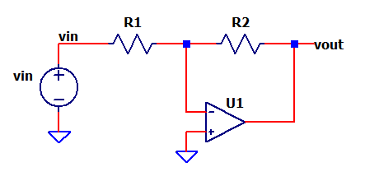

$$K=\frac{Vout}{Vin}=−\frac{R2}{R1}$$

$$R2=−R1∙K$$

Find Output Vout
Vin | 2.000
R1 | 10000
R2 | 20000

K | -2.00 | (R1+R2)/R1
Vout | -4.00 | Vin*K

Find K and R2
Vin | 1.000
Vout | 10.00
R1 | 1000

K | -10.00 | Vout/Vin
R2 | 10000 | R1*(-K)

Find Bandwidth, Risetime, Settling Time
R1 | 10,000
R2 | 10,000

Enter Unity-Gain Bandwidth (fu) or Gain Bandwidth Product (GBP)
fu (GBP) | 1,000,000 | device spec datasheet

Noise gain
Kn | 2.00 | R2/R1+1 | (same as non-inverting gain)

Calc Amplifier Bandwidth fbw
fbw | 500,000 | GBP / Kn
Tau | 3.18E-07 | 1 / (2 pi fbw)

Rise time
tr (63%) | 3.2E-07 | Tau
tr (10-90%) | 7.0E-07 | 2.2*Tau

Settling time to within 1%, 0.1% (ratio) of final value
ts (1%) | 1.5E-06 | -ln(0.01) / ln( e ) * Tau
ts (0.1%) | 2.2E-06 | -ln(0.001) / ln( e ) * Tau

Enter ratio of final value, calc settling time
ratio | 0.00 | example: 0.001 for 0.1%
ts (ratio) | 2.2E-06 | -ln(ratio) / ln( e ) * Tau

Gain-Bandwidth
Gain-BandWidth Product (GBWP)
www.ecircuitcenter.com |  |  |  | enter values
 |  |  |  | calc results

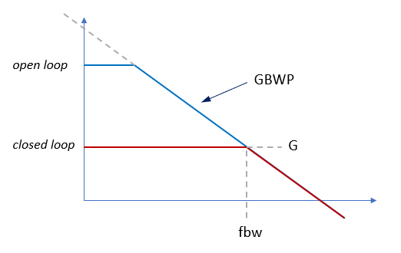

Find Amplifier Bandwidth
Gn | 5.0 | Amplifier noise gain
GBWP | 1,000,000 | Gain-Bandwidth Product

fbw | 200,000 | fbw = GBWP / G

Find GBWP required
Gn | 5.0 | Amplifier noise gain
fbw | 250,000 | Bandwidth

GBWP | 1,250,000 | GBWP = G * fbw

Op Amp Signal Gain and Noise Gain
R1 | 10,000
R2 | 10,000

Non-Inverting
G | 2.0 | R2/R1+1 | Signal gain
Gn | 2.0 | R2/R1+1 | Noise Gain

Inverting
G | -1.0 | R2/R1+1 | Signal gain
Gn | 2.0 | R2/R1+1 | Noise Gain

Slew Rate
Max Slew-Rate of Sine and Step
www.ecircuitcenter.com |  |  | enter values
 |  |  | calc results

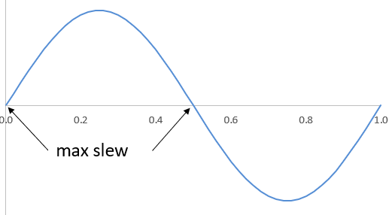
Sinewave - max slew
f | 200,000
vpeak | 10.0

slew (V/us) | 12.57 | dv/dt max = 2*pi*f*Vpeak

$$\frac{dV}{dt}max=2∙π∙f∙Vpeak$$

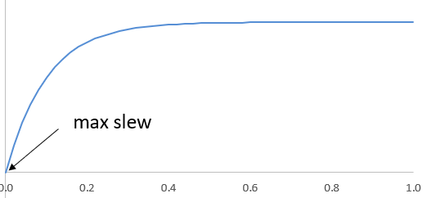
Exponential (single-pole LP response)
fc | 200,000 | bandwidth, -3dB freq
Vstep | 4.0

Tau | 7.96E-07 | 1/(2*pi*fc)
slew (V/us) | 5.03 | dv/dt max = Vstep / Tau

$$\frac{dV}{dt}max=\frac{Vstep}{Tau}$$

Diff Amp
Differential Amplifier
www.ecircuitcenter.com |  |  | Enter values
 |  |  | Calc results

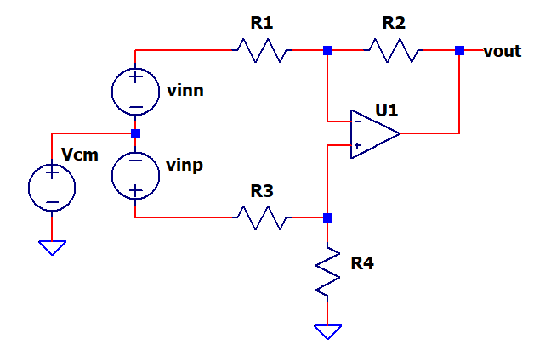

Circuit
R1 | 1000 | ohms
R2 | 2000 | ohms
R3 | 1000 | ohms
R4 | 2000 | ohms

Input
Vinp | 0.500 | pos input
Vinn | -0.500 | neg input
Vcm | 5.000 | Common mode input
$$Kp=\frac{R4}{R3+R4}∙\frac{R2+R1}{R1}$$
$$Kn=−\frac{R2}{R1}$$
Gains Pos and Neg
Kp | 2.000 | R4/(R3+R4) * (R2+R1)/R1
Kn | -2.000 | -R2/R1

$$Vout=\left(Vinp−Vcm\right)∙\frac{R4}{R3+R4}∙\frac{R2+R1}{R1}+\left(Vinp−Vcm\right)∙−\frac{R2}{R1}$$
Overall Output
Vo | 2.000 | (Vinp+Vcm)*Kp + (Vinn+Vcm)*Kn

Integ
Integrator - Pulse Input
www.ecircuitcenter.com |  |  | Enter values
 |  |  | Calc results

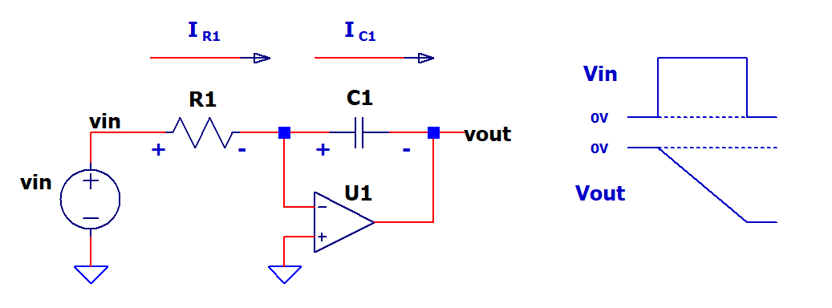

$$∆Vout=−\frac{1}{C1}\int_{0}^{∆t}{I_{C1}}∙dt$$
Circuit
Vin | 1.000 | DC input
Δt | 0.001 | time interval
R1 | 100000
$$∆Vout=−\frac{1}{C1}{∙I}_{C1}∙∆t for a fixed DC input$$
C1 | 1.00E-09

Find R1,C1 current and Vout
I_R1 | 1.00E-05 | Vin / R1
I_C1 | 1.00E-05 | I_R1
$$∆Vout=−\frac{1}{C1}\frac{Vin}{R1}∙∆t for a fixed DC input$$
ΔVout | -10.00 | -1/C1 * I_C1*Δt

Differ
Differentiator - Ramp Input
www.ecircuitcenter.com |  |  | Enter values
 |  |  | Calc results

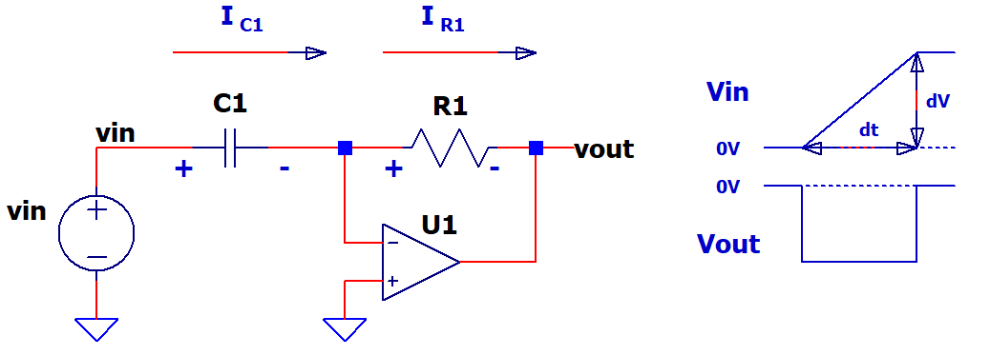

$$Vout=−\frac{dVin}{dt}∙C1∙R1$$
Circuit
ΔVin | 10.000 | constant slope
Δt | 0.001
C1 | 1.00E-09
$$Vout=−\frac{∆Vin}{∆t}∙C1∙R1 for a fixed slope input$$
R1 | 100000

Find current in C1, R1 and Vout
I_C1 | 1.00E-05 | C1*ΔVin/Δt
I_R1 | 1.00E-05 | I_C1
Vout | -1.00 | -I_R1*R1

ADC
ADC Basics - Unipolar and Bipolar Input
www.ecircuitcenter.com |  |  | enter values
 |  |  | calc results

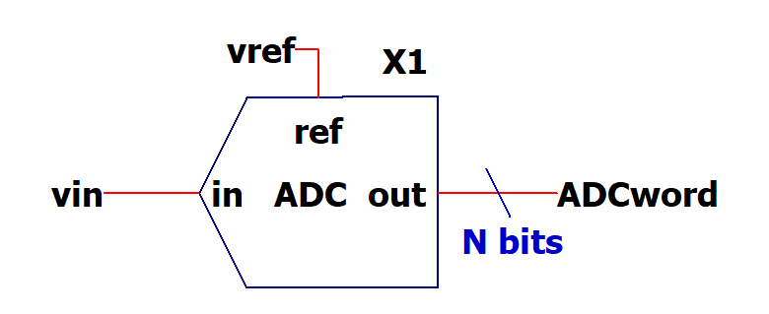

Enter Vin, Calc ADC word
N | 12
counts max | 4095 | 2^N-1
Vref | 5.000
$$ADCword= \frac{Vin}{Vref}∙(2^{N}−1)$$
Vin | 2.500

ADCword (dec) | 2048
ADCword (hex) | 000007FF | DEC2HEX(ADCword,8)

Enter ADC word, Calc Vin
N | 12
counts max | 4095 | 2^N-1
ADCword | 2048
Vref | 5.000
$$Vin= \frac{ADCword}{{(2}^{N}−1)}∙Vref$$
Vin | 2.501

DAC
DAC Basics - Unipolar and Bipolar Input
www.ecircuitcenter.com |  |  | enter values
 |  |  | calc results

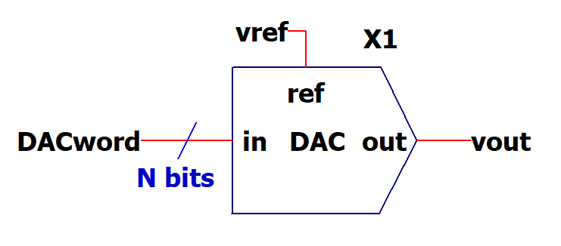

Enter DACword, calc Vout
N | 12
counts max | 4095 | 2^N-1
Vref | 5.000
DACword | 2048
$$Vout= \frac{DACword}{2^{N}−1}∙Vref$$
Vout | 2.501

EnterVout, calc DACword
N | 12
counts max | 4095 | 2^N-1
Vref | 5.000
Vout | 2.500

$$DACword= \frac{Vout}{Vref}∙(2^{N}−1)$$
DACword | 2048

Reg Linear
Regulator - Linear
www.ecircuitcenter.com |  |  | Enter values
 |  |  | Calc results

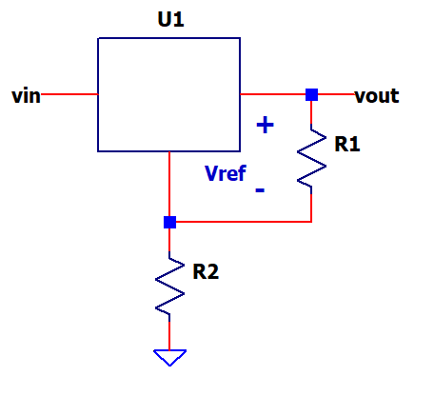

$$Vout=Vref∙\frac{R2+R1}{R1}$$

Find Vout
Vref | 1.250
R1 | 240
R2 | 2064

Vout | 12.00 | (R1+R2)/R1

Find R2
Vref | 1.250
Vout | 12.00
R1 | 240

K | 9.60 | Vout/Vref
R2 | 2064 | R1*(K-1)

Calc Vdrop due to Load Regulation
Iout_max | 1.000
LoadReg | 1.00 | % of Vout @ Iout_max
Vout | 12.000
Iout | 0.500

Vdrop | 0.060 | Iout / Iout_max * Vout * LoadReg
Vout @Iout | 11.940 | Vout - Vdroop

Reg Heat
Regulator - thermal, heat
www.ecircuitcenter.com |  |  | Enter values
 |  |  | Calc results

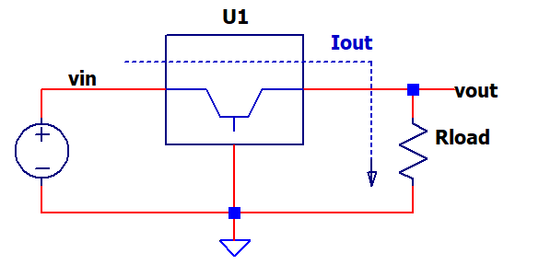

Circuit
Vin | 12.0
Vout | 5.0
Iout | 0.150
Ta ( C) | 25 | ambient temp

Find Power
P_U1 (W) | 2.55 | (Vin-Vout)*Iout

Thermal resistances of device
theta_jc (C/W) | 12.0 | junction to case
theta_ca (C/W) | 16.0 | case to air

$$Tj=Ta+P∙(theta_{jc}+theta_{ca})$$
Calc junction temp rise
Tj ( C) | 96 | jumction temp

Super Pos
Super Position Analysis
www.ecircuitcenter.com |  |  | Enter values
 |  |  | Calc results

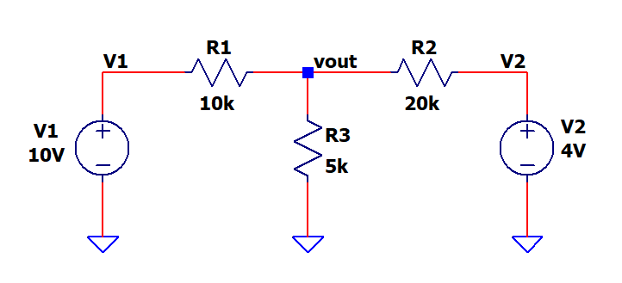

Components
V1 | 10.0
R1 | 10000
V2 | 5.0
R2 | 20000
R3 | 10000

$${Vout}_{1}=V1∙\frac{Rp23}{R1+Rp23}$$
Short V2, find Vo due to V1
Rp23 | 6666.7 | R2||R3 = 1/(1/R2+1/R3)
Vout_1 | 4.000 | V1*Rp23/(R1+Rp23)

$${Vout}_{2}=V2∙\frac{Rp13}{R2+Rp13}$$
Short V1, find Vo due to V2
Rp13 | 5000.0 | R1||R3 = 1/(1/R1+1/R3)
Vout_2 | 1.000 | V1*Rp23/(R1+Rp23)

$$Vout=Vout_{1}+{Vout}_{2}$$
Add both outputs for total
Vout | 5.000 | Vout_1 + Vout_2

BJT Amp CE
Resistor Divider
www.ecircuitcenter.com |  |  | Enter values
 |  |  | Calc results

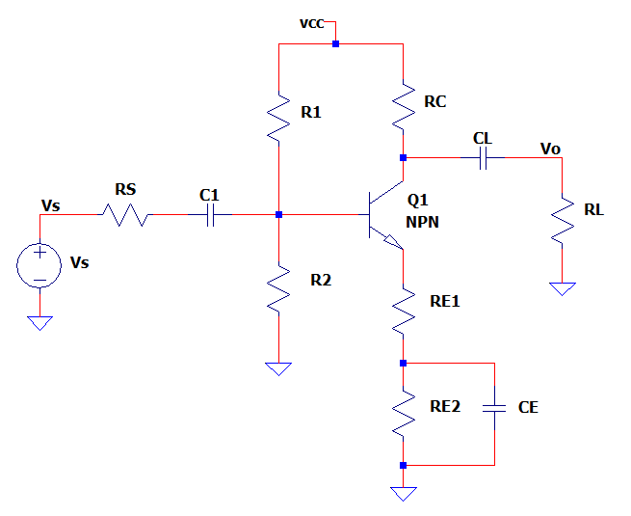

Supply
Vcc | 10.0

Input
Vs | 0.5
Rs | 1000

Base bias R
R1 | 20000
R2 | 10000

BJT
Vbe | 0.65
Beta | 150 | Current Gain = Ic/Ib

Bias / Gain / Load resistors
Rc | 1000
Re1 | 200
Re2 | 1000
Rload | 10000

Find DC bias point (approx)
Vb | 3.33 | Vcc*R2/(R1+R2)
Ve | 2.68 | Vb - Vbe
Re | 1200 | Re1+Re2
Ie | 0.0022 | Ve/Re
Vc | 7.76 | Vcc - Ic*Rc ≈ Vcc - Ie*Rc

$$Kin= \frac{Vb}{Vs}=\frac{Rin}{Rs+Rin}$$
Find Gain (approx) at midband where C1=CE=CL=short.
Input gain
Rinb | 30000 | Re1*Beta
Rin | 5455 | R1||R2||Rinb
Kin | 0.85 | Rp12/(Rs+Rp12)

$$Kout= \frac{Vc}{Vb}=\frac{RC||Rload}{Re1}$$
Find output gain
RC' | 909 | Rc||Rload
Kout | 4.55 | RC'/Re1

Total gain
Ktot | 3.84 | Kin*Kout

Find V output
Vout | 1.92 | Vin*Ktot

Control Sys
Control System - Block Diagram
www.ecircuitcenter.com |  |  |  | Enter values
 |  |  |  | Calc results

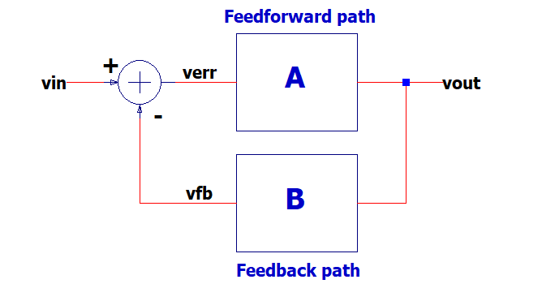
$$Vout=Vin∙\frac{A}{1+A∙B}$$

$$Vout=Vin∙\frac{1}{B} for A≫1$$

$$K=\frac{Vout}{Vin}=\frac{A}{1+A∙B}≈\frac{1}{B}$$

Enter System
Vin | 1.000 | input
A | 10000 | feedforward path |  | make A large so that gain is set mainly by B
B | 0.5 | feedback path (gain set)

Find system gain
K exact | 1.999600 | A/(1+A*B) | actual output
K approx | 2.000000 | 1/B | Check it out - gain set mostly by 1/B (for A>>1)

Find output
Vout exact | 1.999600 | Vin*Kexact
Vout approx | 2.000000 | Vin*Kapprox

Error of approximation
Vout_err % | 0.02 | (Vout_approx - Vout_exact)/Vout_exact x 100%

Find Feedback B given desired gain K
K desired | 5.000 | input

B | 0.200 | 1/K

Noise en,eR
Noise - Amplfier, Resistor
www.ecircuitcenter.com |  |  | Enter values
 |  |  | Calc results

Amplifier - noise spectral density
en ( V/sqrt(Hz) ) | 6.0E-09 | from datasheet

Resistor Noise
Rs | 1000 | ohms
k | 1.38E-23 | Boltzmann's constant
T_F (deg) | 25 | temperature F
$$e_{R}=\sqrt{4∙k∙T_{K}∙R}$$
T_K (Kelvin) | 298.15 | T_F+273.15

eR (nV/sqrt(Hz)) | 4.06E-09 | sqrt(4*k*T_K*R)

System Gain
Ksys | 10.0

System Bandwidth
fbw (-3dB) | 100,000
Kfil (filter type scaler) | 1.50 | 1.5 single pole, 1.22 double pole, 1.0 brickwall
$$E_{n}=e_{n}∙K_{sys}∙\sqrt{f_{bw}∙K_{fil}∙R}$$
Noise output (RMS) due to each source
En (Vrms) | 0.000023 | en*Ksys*sqrt(fbw*Kfil)
ER (Vrms) | 0.000016 | eR*Ksys*sqrt(fbw*Kfil)

$$E_{tot}=\sqrt{{E_{n}}^{2}+{E_{R}}^{2}}$$
Noise total
Etot (Vrms) | 0.000028 | sqrt(En^2+ER^2))

Xfmr Ideal
Transformer Ideal
www.ecircuitcenter.com |  |  | Enter values
 |  |  | Calc results

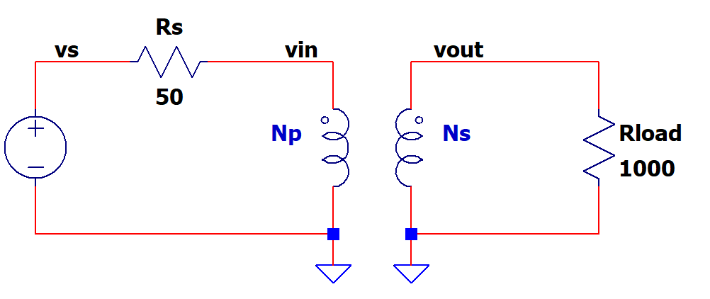

$$a= \frac{Np}{Ns}=\frac{Vp}{Vs}=\frac{Is}{Ip}=\sqrt{\frac{Lp}{Ls}}$$
Transformer
Np | 100 | Primary Turns
Ns | 400 | Secondary Turns

Input / output
Vs | 1.0 | Sinewave peak
Rs | 50 | source resistance
Rload | 1000 | load resistance

Turns ratio, voltages
a | 0.250 | turns ratio = Np/Ns
Rin | 62.5 | a^2*Rload
Vin | 0.556 | Vs*Rin/(Rs+Rin)
Vout | 2.2 | Vin*1/a

Find Currents
Iin | 0.009 | Vin/Rin
Iout | 0.002 | Vout/Rload
Iout/Iin | 0.250 | same as turns ratio

Find Power
Pin | 0.0 | Vin*Iin
Pout | 0.0 | Vout*Iout

Find inductance ratio
Lp/Ls | 0.063 | a^2
Ls/Lp | 16 | 1/(Lp/Ls)

Calculate inductances
Lp (mH) | 100
Ls (mH) | 1600 | Lp*(Ls/Lp)

R Divider AC
Resistor Divider - AC
www.ecircuitcenter.com |  |  |  | Enter values
 |  |  |  | Calc results

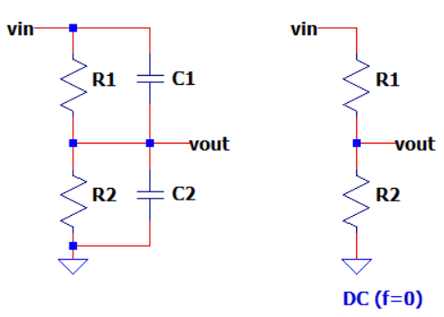

R Divider with capactance
R1 | 30000
C1 | 1.00E-13
R2 | 10000
$$Kdiv_dc= \frac{Vout}{Vin}=\frac{R2}{R1+R2}$$
C2 | 1.00E-11

DC Gain (resistor divider, f=0)
Kdiv_dc | 0.250 | R2 / (R1+R2)

Find time constants of each RC pair
Tau1 | 3.00E-09 | R1*C1
Tau2 | 1.00E-07 | R2*C2

For best response to a Square Wave input > make Tau1 = Tau2

 | Tau1 > Tau2 |  |  | Tau1 = Tau2 | Tau1 < Tau2

EXAMPLE
Suppose C2 is stray cap on PCB.
Find C1 for matched Tau.
C1 | 3.33E-12 | R2*C2 / R1 | Copy this value into C1 above.

SMPS Buck
SMPS Buck Converter
www.ecircuitcenter.com |  |  | enter values
 |  |  | calc results

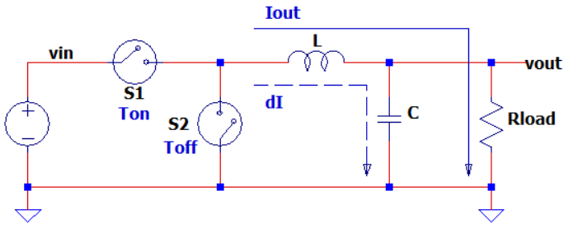

Buck Params
Vin | 20.0
Vout | 10.0
L | 1.00E-04
C | 2.50E-05
Rload | 10.0
fs | 50000

$$Vout=Vin∙D$$
Switching Period Ts, Duty Cycle D
Ts | 2.00E-05 | 1/fs
D | 0.500 | Vin/Vout
Ton | 1.00E-05 | Ts*D
Toff | 1.00E-05 | Ts*(1-D)

$$∆I_{L}= \frac{V_{L}}{L}∙D∙Ts= \frac{\left(Vin−Vout\right)}{L}∙Ton$$
Find currents and voltages
Iout | 1.00 | Vout/Rload
ΔI_L | 1.00E+00 | (Vin-Vout)/L * Ton
$$∆Vout= \frac{I_{C}∙Ts}{8∙C}$$
ΔI_C | 1.00E+00 | ΔI_L
ΔVout (ripple) | 1.00E-01 | ΔI_C * Ts/(8*C)

Calibration
Voltmeter Calibration - Slope, Offset
www.ecircuitcenter.com |  |  | enter values
 |  |  | calc results

Cal Input, output pairs | Applied input (x) | Uncal Readings (y)
x1, y1 | 1.00 | 1.10
x2, y2 | 10.00 | 10.50

Find System Slope (m) and Offset (b): y = m*x + b
Slope - m | 1.044 | m = (y2-y1)/(x2-x1)
Offset - b | 0.056 | b = y1 - m*x1

$$slope=m= \frac{∆y}{∆x}= \frac{y2−y1}{x2−x1}$$
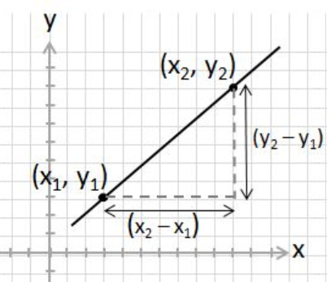
y vs. x with linear fit

$$offset=b=y1−x1∙m$$

Find Calibration Coefficients from System y = m*x+b
Solve for x = y/m - b/m
x = y*m_cal + b_cal
m_cal = 1/m, b_cal=-b/m
m_cal | 0.957 | 1/m
b_cal | -0.053 | -b/m

Apply Cal Coeffs: x' = m_cal*y + b_cal
input,output | Uncal readings | Calibrated readings
y1, x'1 | 1.100 | 1.000
y2, x'2 | 10.500 | 10.000

Comp Hys
Comparator with hysteresis
www.ecircuitcenter.com |  |  | Enter values
 |  |  | Calc results
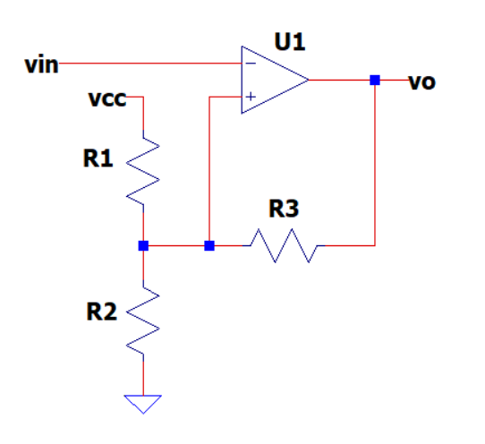

$$Vthr_LO=Vcc∙\frac{Rp23}{R1+Rp23}+Vo_LO∙\frac{Rp12}{R3+Rp12}$$
Circuit
Vcc | 5.000
R1 | 9000
R2 | 1000
R3 | 100000 | pos feedback creates hysteresis

$$Vthr_HI=Vcc∙\frac{Rp23}{R1+Rp23}+Vo_HI∙\frac{Rp12}{R3+Rp12}$$
Comparator Output Swing
Vo_HI | 5.00
Vo_LO | 0.20

Calc comparator thresholds hi and lo (see super position)
Rp12 | 900.0 | R1||R2 = 1/(1/R1+1/R2)
Rp23 | 990.1 | R2||R3 = 1/(1/R2+1/R3)

Vthr_LO | 0.497 | Vcc*Rp23/(R1+Rp23) + Vo_LO*Rp12/(R3+Rp12)
Vthr_HI | 0.540 | Vcc*Rp23/(R1+Rp23) + Vo_HI*Rp12/(R3+Rp12)

Hysteresis
Vhys | 0.043 | Vthr_HI - Vthr_LO

Cap, Ind
Capacitor, Inductor
www.ecircuitcenter.com |  |  | enter values
 |  |  | calc results

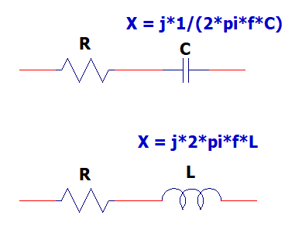

$$|Xc|= \frac{1}{2∙π∙f∙C}$$
Capacitor
Find |Xc|
C | 1.0E-09
f | 100000
|Xc| | 1592 | 1 / (2 pi f C)

Find C
|Xc| | 1592
f | 100000
C | 1.0E-09 | 1 / (2 pi f Xc)

$$|Z|=\sqrt{R^{2}+{X_{C}}^{2}}$$
RC Series
R | 1592
C | 1.0E-09
$$θ= −\tan^{−1}\left[|Xc|/R\right]∙\frac{180}{π}$$
f | 100000

|Xc| | 1592 | 1 / (2 pi f C)
|Z| = |R + jX| | 2251 | sqrt(R^2 + X^2)
Phase (deg) | -45.0 | -atan (|X|/R)*180/pi

$$|XL|=2∙π∙f∙L$$
Inductor
Find |XL|
L | 1.0E-04
f | 100000
|XL| | 63 | (2 pi f L)

Find L
|XL| | 63
f | 100000
L | 1.0E-04 | |XL| / (2 pi f)

$$|Z|=\sqrt{R^{2}+{X_{L}}^{2}}$$
RL Series
R | 63
L | 1.0E-04
f | 100000
$$θ= \tan^{−1}\left[|X_{L}|/R\right]∙\frac{180}{π}$$
|XL| | 63 | (2 pi f L)
|Z| = |R + jX| | 89 | sqrt(R^2 + X^2)
Phase (deg) | 44.9 | atan (|X|/R)*180/pi

Current Src
Op Amp Current Source (Low Side)
www.ecircuitcenter.com |  |  | Enter values
 |  |  | Calc results

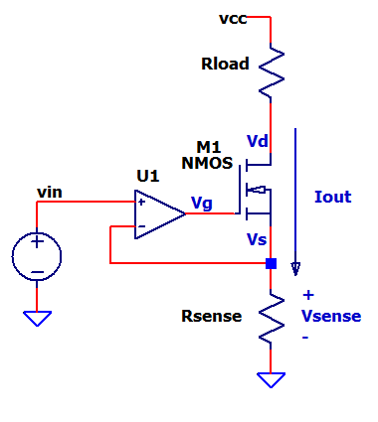

$$Iout=\frac{Vin}{Rsense}$$

Circuit
Vin | 2.000
Rsense | 100
Rload | 200
Vcc | 10.000
Vgs | 2.500 | gate source voltage at expected Iout

Find Output Current Iout
Vsense (Vs) | 2.000 | Vin
Iout | 0.020 | Vsense/Rsense
Vg | 4.500 | Vsense + Vgs
Vd | 6.000 | Vcc - Iout*Rload

Diode Leakage
Diode Leakage - Overvoltage Clamp
www.ecircuitcenter.com |  |  | Enter values
 |  |  | Calc results

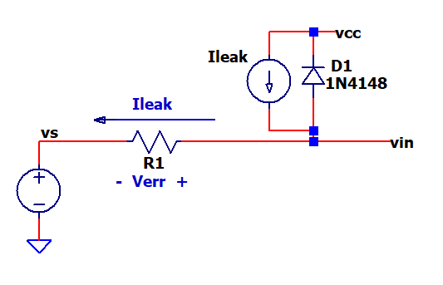

From datasheet (typically T1=25C)
Ileak1 | 1.00E-08 | leakage current at T1
T1 (C) | 25 | temp for Ileak1
N | 10.0 | leakage doubles every N deg C

$$Ileak2=Ileak1∙2^{\frac{T2−T1}{N}}$$
Calc diode leakage at temp T2
T2 (C) | 55 | actual diode operating temp
Ileak2 | 8.00E-08 | Ileak1 * 2^( (T2-T1)/N )

Voltage Error across R1
R1 | 10000 | input resistance
Verr | 0.000800 | Ileak2 * R1

$$N=\frac{T2−T1}{\log_{2}{\frac{Ileak2}{Ileak1}}}$$
If N unknown, then calc from 2 points on datasheet plots of Ileak (or Ireverse)
T1 (C) | 25 | temp for Ileak1
Ileak1 | 1.00E-08 | leakage current at T1

T2 (C) | 55 | temp for Ileak2
Ileak2 | 8.00E-08 | leakage current at T2

Find N Factor (current doubles every N deg C)
N | 10.0 | (T2-T1) / log2( Ileak2/Ileak1 )
 |  | Copy this value into N above

555 Timer
555 Timer - Astable
www.ecircuitcenter.com |  |  | enter values
 |  |  | calc results

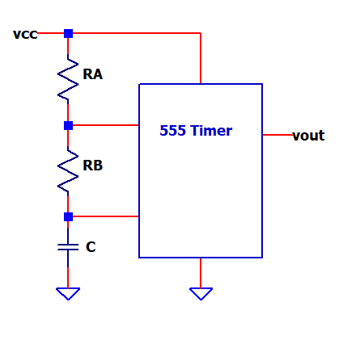

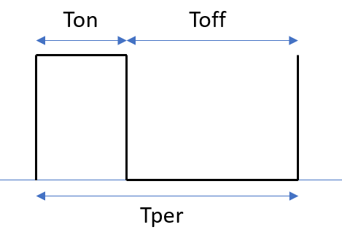

Circuit
RA | 4000
RB | 8000
C | 1.50E-09

$$Ton=0.693∙(RA+RB)∙C$$
$$Toff=0.693∙(RB)∙C$$
Find Ton, Toff
Ton | 1.25E-05 | 0.693*(RA+RB)*C
Toff | 8.32E-06 | 0.693*(RB)*C

$$f= \frac{1}{Tper}= \frac{1}{Ton+Toff}$$
Find Period Tper, Frequency f
Tper | 2.08E-05 | Ton+Toff
f (Hz) | 48100 | 1/Tper

$$RB=\left[\frac{Tper}{0.693∙C}−RA\right]∙\frac{1}{2}$$
Find RB
f (Hz) | 48100
RA | 4000
C | 1.50E-09

Tper | 2.08E-05 | 0.693*(RA+RB)*C
RB | 8000 | (Tper / (0.693*C) - RA )*1/2

EE Hands-On Topics
EE Hands-On Learning Topics

50+ Analog Design Topics (SPICE & Excel Files)
 | Op Amps, Filters, Sensors, Switch-Mode Power Supplies, PID Controllers, Audio Amplifiers, etc.
 | Explore circuits on your own or use the tutorials to get you started.
 | https://ecircuitcenter.com/Circuits.htm
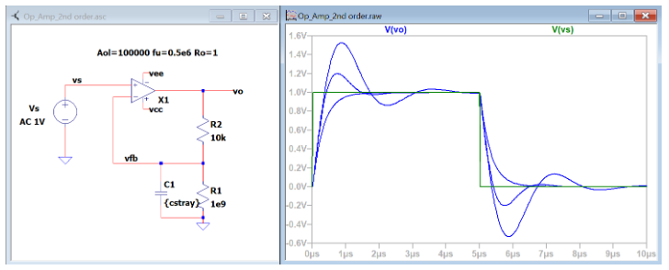

Op Amp Design Series
 | Solve 10 Op Amp Design Issues w/ Custom SPICE Models. Hands-on design!
 | https://ecircuitcenter.com/LTSPICE/op_amp_series_1.html

DVM Design Series
 | Walk thru 5 Key Design Phases. Prototype a DVM with Arduino!
 | https://ecircuitcenter.com/DVM1/DVM1_series.html

Error Budget Analysis Series
 | How does each component impact overall error?
 | https://ecircuitcenter.com/EBA/EBA_series1.html

Source Measure Unit Series
 | How do SMUs force & measure voltage & current for component testing?
 | https://ecircuitcenter.com/SMU/SMU-series.html

